Instructions
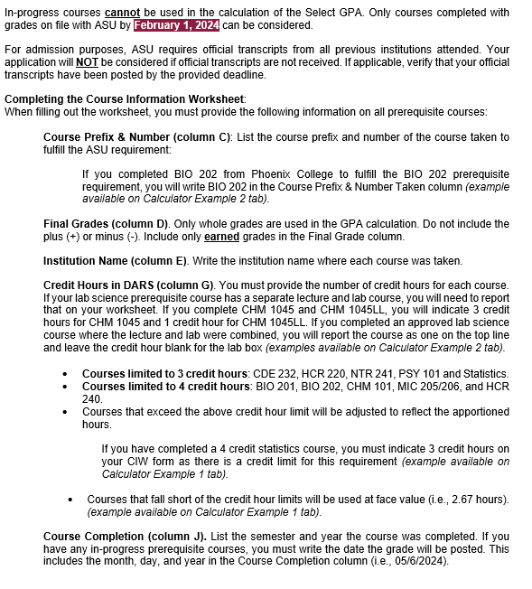

 | ACCELERATED BSN PREREQUISITE COURSES (Listed Alphabetically)
1 | BIO 201 Human Anatomy & Physiology I with Lab (SG)
2 | BIO 202 Human Anatomy & Physiology II with Lab (SG)
3 | CDE 232 Human Development (SB)
4 | CHM 101 Introduction to Chemistry with Lab (SQ)
5 | HCR 220 Introduction to Health Professions and the U.S. Health Care Systems (H)
6 | HCR 240 Human Pathophysiology
7 | MIC 205 Microbiology (SG) and MIC 206 Microbiology Lab (SG)
8 | NTR 241 Human Nutrition
9 | PSY 101 Introduction to Psychology (SB)
10 | Statistics (CS)

Example 1
Example ABSN Calculator #1 (DO NOT USE)

Make sure to include your name and ASU ID number.
First and Last Name of Applicant: | Sample Student 1
10-digit ASU ID Number: | 0123456789

Read carefully: This worksheet must be uploaded to your Clinical Nursing Advancement application. Failure to provide accurate/complete information will be in violation of the academic integrity policy. This could result in the forfeiture of your application. Directions: Fill out the form completely using the most current version of Microsoft Excel (xls or xlsx). You must include information about all 10 prerequisite courses. The calculator dashboard extends vertically to row 41 and horizontally to column J. You must identify 8 completed prerequisite courses to use in the Select GPA calculation. This must include 3 of the 4 laboratory sciences. The remaining courses can be selected from the drop-down menu. Click in each active input cell for additional instructions. There are 4 tabs. The first tab is the “Instructions”. Take this time to read as it will provide important information about what to include in each box. The second and third tabs are example worksheets. You can use these tabs as guides. The last tab is “Your Calculator”. This is where you will input all 10 prerequisite courses. You should also refer to your DARS when inputting course details: https://provost.asu.edu/curriculum-development/dars

Course Limit Reminder: BIO 15 is 5 credit hours at Saddleback College. Edson College can only accept 4 credit hours for a lab science course. Instead of writing 5 in the Credit Hours column, you must write 4. Refer to the Instruction tab for more information on course limit hours.
Course Number | ASU Course Requirement | Course Prefix & Number Taken | Final Grade ( + or - will not be included) | Institution Name | Points | Credit Hours in DARS |  | Quality Points | Course Completion

Select 3 laboratory sciences to include in the Select GPA from the drop-down menu below:
1 | BIO 201 | BIO 111 | A | Community College of Nevada | 4 | 3 | = | 12 | Fall 2021
 | Lab (if applicable) | BIO 112 | A | Community College of Nevada | 4 | 1 | = | 4 | Spring 2022
2 | BIO 202 | BIO 113 | A | Community College of Nevada | 4 | 3 | = | 12 | Summer 2022
 | Lab (if applicable) | BIO 114 | B | Community College of Nevada | 3 | 1 | = | 3 | Summer 2022
3 | MIC 205 + 206 | BIO 15 | A | Saddleback College | 4 | 4 | = | 16 | Spring 2022
 | Lab (if applicable) | NA |  |  | 0 |  | = | 0
If you earned quarter units, you must convert those units to semester units. Please refer to your DARS.
Select 5 additional prerequisite courses to include in the Select GPA from the drop-down menu below:
4 | CDE 232 | CFS 205 | A | Rio Salado Community College | 4 | 3 | = | 12 | Fall 2020
5 | HCR 220 | HCR 220 | A | Rio Salado Community College | 4 | 3 | = | 12 | Spring 2023
6 | PSY 101 | PSY 203A | A | Portland Community College | 4 | 2.67 | = | 10.68 | Fall 2023
7 | NTR 241 | FON 241 | A | Rio Salado Community College | 4 | 3 | = | 12 | Fall 2022
8 | HCR 240 | HCR 240 | B | Rio Salado Community College | 3 | 4 | = | 12 | Fall 2021
 | Lab (if applicable) |  |  |  | 0 |  | = | 0

Course Limit Reminder: MATH 54 is 4 credit hours at Santa Monica College. Edson College can only accept 3 credit hours for statistics. Instead of writing 4 in the Credit Hours column, you must write 3. Refer to the Instruction tab for more information on course limit hours.
Select remaining 2 prerequisite courses not included in the Select GPA from the drop-down menu below:
9 | Statistics | MATH 54 | C | Santa Monica College | 2 | 3 | = | 6 | Fall 2021
10 | CHM 101 | CHEM 112 | C | Nevada State College | 2 | 4 | = | 8 | Spring 2021
 | Lab (if applicable) | NA |  |  | 0 |  | = | 0

Enter your TEAS score here: | 0.842
GPA Reminder: For eligibility, you must earn or exceed a 3.00 on your Select and Prerequisite GPA. Refer to an Edson College advsior to ensure that both GPA's meet the requirement.
Quality Points (Letter Grade * Credit Hours): | 106 |  |  | Quality Points | 119.68
Total Credit Hours: | 27.67 |  |  | Total Credit Hours | 34.67
Select GPA (Quality Points/Total Hours): | 3.81930 |  |  | Prerequisite GPA
Converted Select GPA (Select GPA/4): | 0.95482
Prerequisite GPA (All 10 Prerequisites)*: | 3.4520

Advancement Score: | 1.79682

*All 10 prerequisite courses must be completed for accurate calculation

Example 2
Example ABSN Calculator #2 (DO NOT USE)

First and Last Name of Applicant: | Sample Student 2
10-digit ASU ID Number: | 0123456789

Read carefully: This worksheet must be uploaded to your Clinical Nursing Advancement application. Failure to provide accurate/complete information will be in violation of the academic integrity policy. This could result in the forfeiture of your application. Directions: Fill out the form completely using the most current version of Microsoft Excel (xls or xlsx). You must include information about all 10 prerequisite courses. The calculator dashboard extends vertically to row 41 and horizontally to column J. You must identify 8 completed prerequisite courses to use in the Select GPA calculation. This must include 3 of the 4 laboratory sciences. The remaining courses can be selected from the drop-down menu. Click in each active input cell for additional instructions. There are 4 tabs. The first tab is the “Instructions”. Take this time to read as it will provide important information about what to include in each box. The second and third tabs are example worksheets. You can use these tabs as guides. The last tab is “Your Calculator”. This is where you will input all 10 prerequisite courses. You should also refer to your DARS when inputting course details: https://provost.asu.edu/curriculum-development/dars

Course Expiration Reminder: Lab science courses (including HCR 240) must have been taken within 7 years of the semester in which the clinical nursing program will start.
Course Number | ASU Course Requirement | Course Prefix & Number Taken | Final Grade ( + or - will not be included) | Institution Name | Points | Credit Hours in DARS |  | Quality Points | Course Completion

Select 3 laboratory sciences to include in the Select GPA from the drop-down menu below:
1 | CHM 101 | CHM 1045 | B | Florida State University | 3 | 3 | = | 9 | Fall 2016
 | Lab (if applicable) | CHM 1045L | A | Florida State University | 4 | 1 | = | 4 | Fall 2016
2 | BIO 201 | BSC 2085 | A | Florida State University | 4 | 3 | = | 12 | Spring 2017
 | Lab (if applicable) | BSC 2085L | B | Florida State University | 3 | 1 | = | 3 | Spring 2017
3 | BIO 202 | BIO 202 | A | Phoenix College | 4 | 4 | = | 16 | Fall 2018
 | Lab (if applicable) | NA |  |  | 0 |  | = | 0
If you received AP, IB, Y credit, make sure to indicate 0 credits.
Select 5 additional prerequisite courses to include in the Select GPA from the drop-down menu below:
4 | CDE 232 | PSY 240 | C | Rio Salado College | 2 | 3 | = | 6 | Summer 2017
5 | NTR 241 | HUN 1201 | B | Florida State University | 3 | 3 | = | 9 | Fall 2019
6 | PSY 101 | PSY 101 | AP | College Board | 0 | 0 | = | 0 | Spring 2019
7 | HCR 240 | HCR 240 | C | Arizona State University | 2 | 4 | = | 8 | Fall 2020
8 | HCR 220 | HCR 220 | B | Arizona State University | 3 | 3 | = | 9 | Spring 2019
 | Lab (if applicable) |  |  |  | 0 |  | = | 0

If you have in-progress courses, you must indicate those courses in this section. Make sure to include the end date of the class. The date must include the month, day, and year.
You can also leave the Credit hours column blank. If you indicate the credit hours without a grade, your Prerequisite GPA will not reflect accurately.
Select remaining 2 prerequisite courses not included in the Select GPA from the drop-down menu below:
9 | Statistics | PSY 210 | C | Santa Monica College | 2 | 3 | = | 6 | Spring 2020
10 | MIC 205 + 206 | BIO 205 | Currently Enrolled | Mesa Community College | 0 |  | = | 0 | 2024-07-12
 | Lab (if applicable) |  |  |  | 0 |  | = | 0

Enter your TEAS score here: | 0.9170

If all 10 prerequisite grades are not accounted for on this form, your Prerequisite GPA will not reflect accurately.
If this section goes below the 3.0 requirement, and you have included all 10 prerequisite grades, connect with your Edson College advisor.
Quality Points (Letter Grade * Credit Hours): | 76 |  |  | Quality Points | 82
Total Credit Hours: | 25 |  |  | Total Credit Hours | 28 |  |  |  | D
Select GPA (Quality Points/Total Hours): | 3.04000 |  |  | Prerequisite GPA
Converted Select GPA (Select GPA/4): | 0.76000
Prerequisite GPA (All 10 Prerequisites)*: | 2.9286

Advancement Score | 1.67700

*All 10 prerequisite courses must be completed for accurate calculation

